Indexing
Gold Basic Materials Market Cap Index |  |  |  |  |  |  |  |  | Currency price weighted index

Company | Stock price | Shares o/s | Market cap | Weight |  |  |  |  | Currency against USD | Exchange rate in USD | Shares o/s | Market cap | Weight
NEM | 37.52 | 533,340,000 | 20,010,916,800 | 43.57% |  |  |  |  | EUR | 1.1994 | NA | NA | 46.9%
GG | 12.77 | 867,120,000 | 11,073,122,400 | 24.11% |  | INDEX WEIGHTS |  |  | JPY | 0.0089 | NA | NA | 0.3%
FNV | 79.95 | 185,730,000 | 14,849,113,500 | 32.33% |  |  |  |  | GBP | 1.35 | NA | NA | 52.8%
 |  | total value of the index | 45,933,152,700 | these are just summed up |  |  |  |  | total value of the index | 2.5583
 |  | Index divisor | 45,933,153 | above num/1000 |  |  |  |  | Index divisor | ?
 |  | Index = | 1,000 | chosen |  |  |  |  | Index = | 100

Say you have $1 million cash, and you would like to invest in the BM Gold market cap index above
Allocate | $1,000,000 | weights*1mil$ | Mkt Price |  | # shares |  | portfolio | $ allocation
43.57% | to NEM= | $435,653.02 | 37.52 |  | $11,611.22 |  | $435,653.02 | $435,653.02 | you got it!
1
24.11% | to GG= | 241070.37617 | 12.77 |  | 18877.868142 |  | 241070.37617 | $241,070.38 | you got it!
32.33% | to FNV= | 323276.60148 | 79.95 |  | 4043.4846964 |  | 323276.60148 | $323,276.60 | you got it!
 |  |  |  |  |  |  | $1,000,000 | $1,000,000 |  |  | Buy every stock in the index with same weights as index
what if stock prices in 1 quarter are
 | Mkt price | # shares | per share return | portfolio
NEM | 39 | 11611.221278 | 0.039445628998 | 452837.62985 | 39% | have the weights |  | $452,837.63
GG | 17.22 | 18877.868142 | 0.34847298356 | 325076.8894 | 28% | of the assets changed |  | $325,076.89
FNV | 95.55 | 4043.4846964 | 0.19512195122 | 386354.96274 | 33% | in the portfolio? |  | $386,354.96
 |  |  |  | 1164269.482 |  |  |  | 1164269.482 | you got it!
portfolio return = | 16.43%

2
Allocate | $1,000,000 | to BMGoldCAP ETF that tracks the index
BMGoldCAP ETF p/s | $1,000.00
purchase | 1000 | shares
Company | Stock price | Shares o/s | Market cap | Weight
NEM | 39 | 533,340,000 | 20,800,260,000 | 38.9% |  |  |  |  |  |  | Buy shares in a mutual fund/ETF that tracks the index
GG | 17.22 | 867,120,000 | 14,931,806,400 | 27.9%
FNV | 95.55 | 185,730,000 | 17,746,501,500 | 33.2% |  |  |  |  |  |  | It is important to note most MF/ETF have a tracking error that
 |  | total value of the index | 53,478,567,900 |  |  |  |  |  |  |  |  | fails to track the index perfectly
BMGoldCAP ETF p/s | = | Index= | 1,164.27 | value of 1 share of BMGoldCAP ETF
Index Value return= | 16.43%
Index return= | 16.43%
BMGoldCAP ETF return | 16.43%

SAA
Strategic Asset Allocation
Initial | 3000
Goal: | 80% stocks 20% bonds
 |  | w
Stocks | 2400 | 0.8
Bonds | 600 | 0.2
Vi | 3000
1 year later 20% return on stocks and 2% return on bonds
 |  | w |  |  |  | https://www.thebalance.com/what-is-strategic-asset-allocation-2388300
Stocks | 2880 | 0.82474226804
Bonds | 612 | 0.17525773196
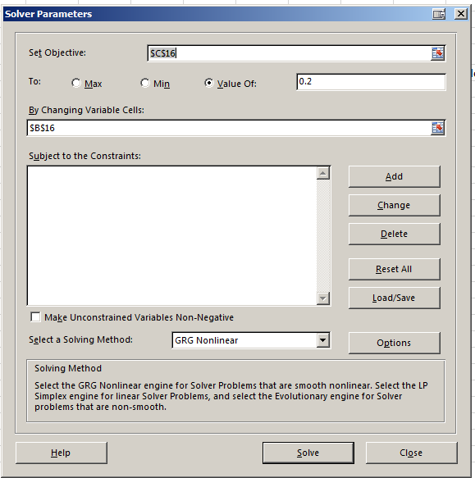
Vf | 3492

Rebalance |  | w
Stocks | 2793.60 | 0.8000 | sell | $86.40 | of stocks
Bonds | 698.40 | 0.2000 | invest | $86.40 | in bonds
Vf | 3492.0

rp | 16.40%

TAA
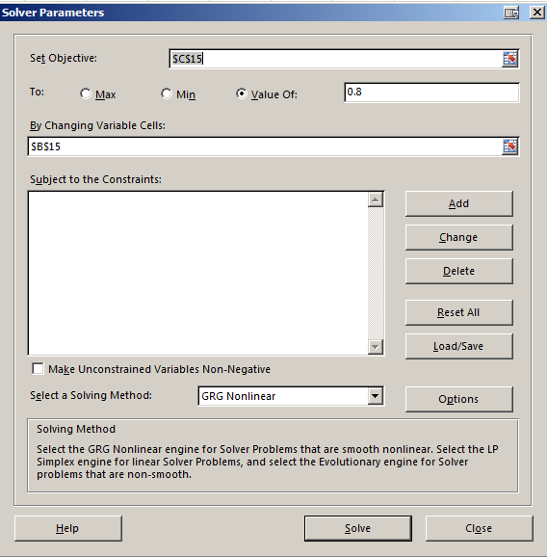
Tactical Asset Allocation |  |  |  | Pre 2008
Initial | 3000
Goal: | 80% stocks 20% bonds
 |  | w
Stocks | 2400 | 0.8
Bonds | 600 | 0.2
Vi | 3000
2008 -61% return on stocks and 2% return on bonds
 |  | w
Stocks | 936.0 | 0.60465116279 | portfolio now: 60% in stocks and 40% in bonds
Bonds | 612 | 0.39534883721
Vf | 1548.0

Re-allocate |  | w
Stocks | 1238 | 0.8000 | invest | $302.40 | in stocks | Doing this in expectation | https://www.thebalance.com/what-is-tactical-asset-allocation-2466851
Bonds | 310 | 0.2000 | sell | $(302.40) | of bonds | that stocks will make a
Vf | 1548.0 |  |  |  |  | come back

rp | -48.40%

How much return is needed in equities to have a 2009 Vf of = 3000, holding bonds return constant at 2%?

Stocks | 2684 | 0.8947 | equity return = |  | 117%
Bonds | 316 | 0.1053
Vf | 3000.0

How much return is needed in equities to have a 2009 Vf of = 4000, holding bonds return constant 2%?
Stocks | 3684 | 0.9211 | equity return = |  | 197%
Bonds | 316 | 0.0789
Vf | 4000.0

